DATA
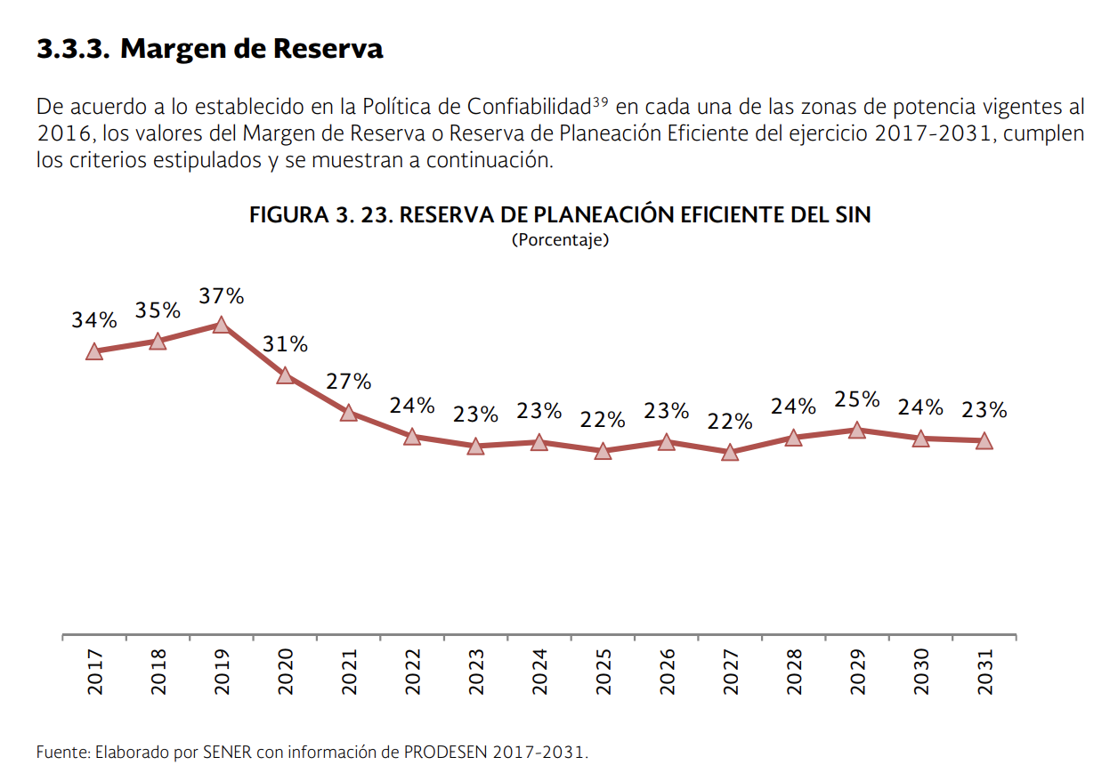
 | 2016 | 2017 | 2018 | 2019 | 2020 | 2021 | 2022 | 2023 | 2024 | 2025 | 2026 | 2027 | 2028 | 2029 | 2030 | 2031 | 2032 | 2033 | 2034 | 2035 | 2036 | 2037 | 2038 | 2039 | 2040 | 2041 | 2042 | 2043 | 2044 | 2045 | 2046 | 2047 | 2048 | 2049 | 2050
Reserve Margin | 0.297 | 0.34 | 0.35 | 0.37 | 0.31 | 0.27 | 0.24 | 0.23 | 0.23 | 0.22 | 0.23 | 0.22 | 0.24 | 0.25 | 0.24 | 0.23 | 0.23 | 0.23 | 0.23 | 0.23 | 0.23 | 0.23 | 0.23 | 0.23 | 0.23 | 0.23 | 0.23 | 0.23 | 0.23 | 0.23 | 0.23 | 0.23 | 0.23 | 0.23 | 0.23

